Map
PERLIS
LSS Progress By Region (Q4 2020) | Region | Capacity Awarded (MW) | Operational Capacity (MW) | In progress (MW) | Percentage
 | Perlis | 33.996 | 33.996 | 0 | 100%
 | Kedah | 355.77 | 194.99 | 160.78 | 55%
 | P.Pinang | 21 | 20 | 1 | 95%
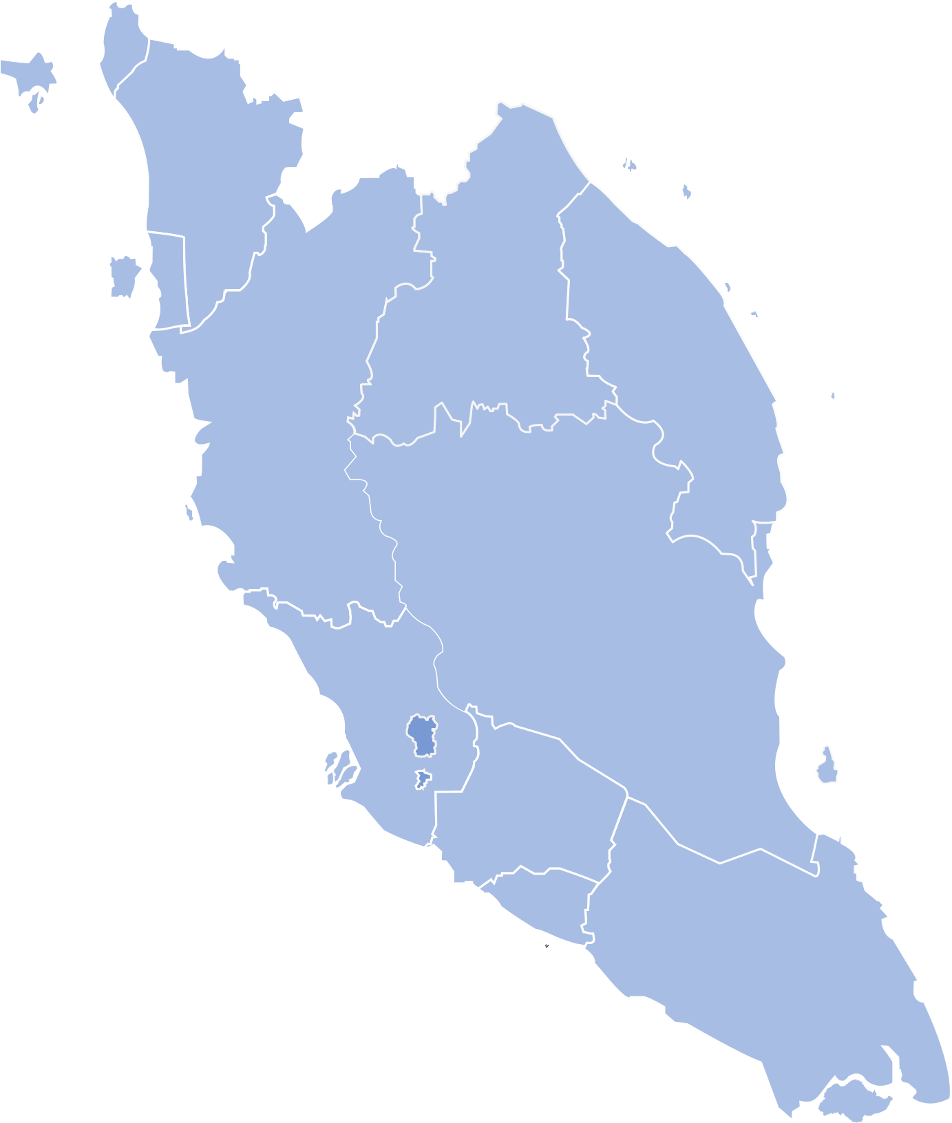
 | Perak | 248.87 | 138.88 | 109.99 | 56%
 | Kelantan | 30 | 0 | 30 | 0%
KEDAH
 | Terengganu | 306.99 | 106.99 | 200 | 35%
 | Pahang | 209.916 | 79.916 | 130 | 38%
 | Selangor | 66.98 | 66.98 | 0 | 100%
 | N. Sembilan | 121 | 61 | 60 | 50%
 | Melaka | 56.8 | 50 | 6.8 | 88%
P.PINANG
 | Johor | 68.99 | 54 | 14.99 | 78%
 | Sabah | 113.9 | 50 | 63.9 | 44%
KELANTAN
 |  | 1634.212 | 856.752 | 777.46 | 52%
TERENGGANU
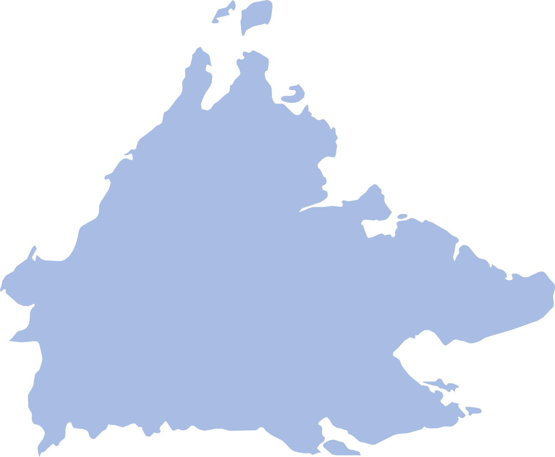
PERAK

PAHANG

SELANGOR
SABAH

N.SEMBILAN

MELAKA
JOHOR

